1. Title Page
[Instacart Grocery Basket Analysis]

Project Name: Instacart Grocery Basket Analysis
Date: 06/12/2024
Analyst Name: Marília Machado

Contents:
Population Flow
Consistency checks
Wrangling steps
Column derivations
Visualizations
Recommendations

Data Citation:
“The Instacart Online Grocery Shopping Dataset 2017”, Accessed from www.instacart.com/datasets/grocery-shopping-2017 via Kaggle on November/December 2024.

The customer data explored in Exercises 4.9 and 4.10, as well as the “prices” column in the products data set, were both fabricated for the purpose of this course.

2. Population Flow
Title page

Population flow

Exclusion flag
Condition: max_order < 5
Obervations to be removed: 1440295
Final total count of order_products_all: 30964564

Orders_products_combined
Orders_products_merged
Orders_products_all

Total: 32404859
Total: 32434489
Total: 32404859

1.) The grey boxes in the first row of the population flow represent the original data sets as they were when you downloaded them. In the Total fields you need to add the count of the rows when you imported the data set into Jupyter.
2.) The second row of boxes (coloured) represents the data sets after you manipulated them, e.g., removed missing values and duplicates. In the Total fields you need to add the count of the rows after conducting these operations. This offers a visual oveview of how the data flows throughout the data consistency checks.
3.) The third row, where also the arrows are coloured, represents the merges you performed between the datasets. In the Total fields you need to add the count of the rows in the merged datasets, so that you end up with the final dataset (in the red box). Keep in mind the final dataset should be without exclusions (based on the exclusion flag).

3. Consistency checks
 |  |  |  |  | Title page
Consistency checks

Dataset | Missing values | Missing values treatment | Duplicates | Others
orders | 206209 in the days_since_prior_order column | Didn't remove them, but created a new column flagging that the NaN values mean it's a first order | 0
products | 16 in the product_name column | Removed | 5 rows that were deleted | Changed values in 2 rows of the "price" column. The products "2 % Reduced Fat Milk" and "Lowfat 2% Milkfat Cottage Cheese" were wrongly priced 99999.0 and 14900.0. The first product price was changed to 9.2 (since there is a product named "2% Reduced Fat Milk" with that price) and the second was changed to the mean value of the "prices "variable, 8.
orders_products_prior | None | N/A | None
customers | 11259 rows in the "first_name" column that were first ignored because information would be lost | Eventually deleted "first_name" column for containing PII | None
ords_prods_merge |  |  |  | Changed values in 5127 rows of the "price" column. The products "2 % Reduced Fat Milk" and "Lowfat 2% Milkfat Cottage Cheese" were wrongly priced 99999.0 and 14900.0. The first product price was changed to 9.2 (since there is a product named "2% Reduced Fat Milk" with that price) and the second was changed to the mean value of the "prices "variable, 8.

4. Wrangling steps
 |  |  |  |  | Title page
Wrangling steps

Columns dropped | Columns renamed | Columns' type changed | Comment/Reason | Note: | I also capitalized the values in the "fam_status" column for consistency and dropped two opies of the loyalty_flag and spending_flag, since I repeated creating these columns as practice for the exercise.
eval_set |  |  | Not needed
 | order_dow |  | Changed it to "order_day_of_week"
 | order_hour_of_day |  | Changed it to "order_time_hour"
 |  | order_id | Changed it from integer to string since these numbers don't represent real numeric values
 |  | derpartment_id | Changed it from integer to string since these numbers don't represent real numeric values
 |  | user_id | Changed it from integer to string since these numbers don't represent real numeric values
 |  | aisle_id | Changed it from integer to string since these numbers don't represent real numeric values
 |  | product_id | Changed it from integer to string since these numbers don't represent real numeric values
Unnamed: 0.1 |  |  | Not needed
Unnamed: 0_x |  |  | Not needed
Unnamed: 0_y |  |  | Not needed
 | busiest_day |  | Changed conditions of the column to include the two slowest and busiest days, therefore the column was renamed "busiest_days"
 | First Name |  | Changed it to "first_name" for consistency
 | Surnam |  | Changed it to "surname" because of misspelling
 | Age |  | Changed it to all lowercase
 | Gender |  | Changed it to all lowercase
 | STATE |  | Changed it to all lowercase
 | n_dependants |  | Changed it to "number_dependants" to be more understanble
 | fam_status |  | Changed it to "family_status" to be more understanble
 | State |  | Changed it to all lowercase
 | _merge |  | Not needed
first_name |  |  | Contains PII
surname |  |  | Contains PII
 | match |  | Not needed

5. Column derivations
 |  |  |  |  |  |  | Title page

Column derivations and aggregations

In this tab you should add tables below that the frequences of flags/label variables that you produced after deriving them. NB: don't do this for continuous variables, only for flags.
Dataset | New column | Column/s it was derived from | Conditions
orders | first_order | days_since_prior_order | Missing values = First order
ords_prods_merge_4_7 | price_range_loc | prices | If a product costs $5 or less = "Low-range product"; if it's >$5 and <=$15 = "Mid-range product" and if it's more than $15 = "High-range product"
ords_prods_merge_4_7 | busiest_day | orders_day_of_week | If it's a Saturday (orders_day_of_week = 0), it's categorized as "Busiest day", if it's a Wednesday (orders_day_of_week = 4), it's considered as "Least busy" and any other day, it's "Regularly busy" | first_order |  | price_range_loc |  | busiest_day |  | busiest_days |  | busiest_period_of_day
ords_prods_merge_4_7 | busiest_days | orders_day_of_week | If it's a Saturday or Sunday (orders_day_of_week = 0 or 1), it's categorized as "Busy day", if it's a Wednesday or Tueday (orders_day_of_week = 4 or 3), it's considered as "Slow day" and any other day, it's "Regular day" | False | 30328763 | NaN | 21192647 | Regularly busy | 22416875 | Regular day | 12916111 | Most orders | 21118071
ords_prods_merge_4_7 | busiest_period_of_day | order_time_hour | If the time of order is between 9am and 4pm, it shows "Most orders", if it's 7am, 8am or from 5pm to 10pm, it's considered "Average orders" and any other time it shows "Fewest orders" | True | 2076096 | Low-range product | 10126321 | Busiest day | 6204182 | Busy day | 11864412 | Average orders | 9997651
ords_prods_merge_4_8 | loyalty_flag | order_number | If the maximum number of orders is higher than 40 = "Loyal customer", if it's <= 40 and >10 = "Regular customer" and if the maximum number of orders is <=10 = "New customer" |  |  | Mid-range product | 673340 | Least busy | 3783802 | Slow day | 7624336 | Fewest orders | 1289137
ords_prods_merge_4_8 | spending_flag | prices | If the average price of the products bought by a customer is lower than 10, that client is considered a "Low spender", but if the average price of the products purchased by a client is higher or equal to 10, they should be considered as a "High spender" |  |  | High-range product | 412551
ords_prods_merge_4_8 | order_frequency_flag | days_since_prior_order | If the median of “days_since_prior_order” is higher than 20, then the customer should be labeled a “Non-frequent customer”, if it is higher than 10 and lower than or equal to 20, then the customer should be labeled a “Regular customer” and if it is lower than or equal to 10, then the customer should be labeled a “Frequent customer”
ords_prods_merge_4_8 | max_order | user_id, order_number | Maximum frequency of orders ("rder_number") grouped by customer ("user_id"). | loyalty_flag |  | spending_flag |  | order_frequency_flag |  | region |  | exclusion_flag
ords_prods_merge_4_8 | median_ordering_behavior | user_id, days_since_prior_order | Median frequency of days since prior order ("days_since_prior_order") grouped by customer ("user_id") | Regular customer | 15876776 | Low spender | 32285131 | Frequent customer | 21559853 | South | 10791885 | regular/high-activity customer | 30964564
merged_df_4.10 | region | state | Column with the US states grouped by their respective region: Northeast, South, Midwest and West | Loyal customer | 10284093 | High spender | 119728 | Regular customer | 7208564 | West | 8292913 | low-activity customer | 1440295
merged_df_4.10 | exclusion_flag | max_order | If the customer's maximum order is lower than 5, they're a "low-activity customer", but if equal or more than 5, they're a "regular/high-activity customer" |  |  |  |  |  |  | Midwest | 7597325
merged_df_4.10 | age_profile | age | If a client's age is equal or higher than 18 and equal or lower than 3 = "Young Adult", if their age is higher than 39 and equal or lower than 59, they're a "Middle Age Adult" and if higher than 59, they're a "Senior Adult" | New customer | 6243990 |  |  | Non-frequent customer | 3636437 | Northeast | 5722736
merged_df_4.10 | income_profile | income | If client's income is equal or less than $50k = "Low income", if more than $50k and equal or lower than $160k = "Average inome" and if higher than $160k = "High income" |  |  |  |  | NaN | 5
merged_df_4.10 | dependants_profile | number_dependants, family_status | If married without dependants = "Married without dependants", if married with dependants = "Married with dependants", if single without dependants = "Single without dependants", if single with dependants = "Single with dependants", if divorced/widowed without dependants = "Divorced/widowed without dependants", if divorced/widowed with dependants = "Divorced/widowed with dependants", if living with parents/siblings without dependants = "Living with parents/siblings without dependants" and if living with parents/siblings with dependants = "Living with parents/siblings with dependants"
 |  |  |  | age_profile |  | income_profile |  | dependants_profile
 |  |  |  | Young Adult | 11164192 | Average Income | 26602123 | Married with dependants | 22756753
 |  |  |  | Senior Adult | 11067255 | Low Income | 3594083 | Single without dependants | 5325691
 |  |  |  | Middle Age Adult | 10173412 | High Income | 2208653 | Divorced/widowed without dependants | 2771812
 |  |  |  |  |  |  |  | Living with parents/siblings with dependants | 1550603

6. Visualizations
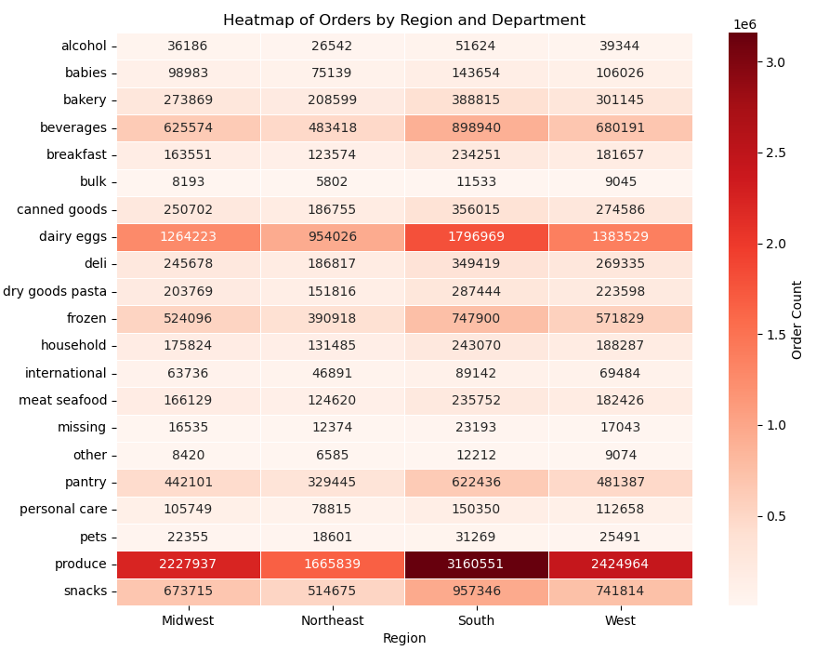
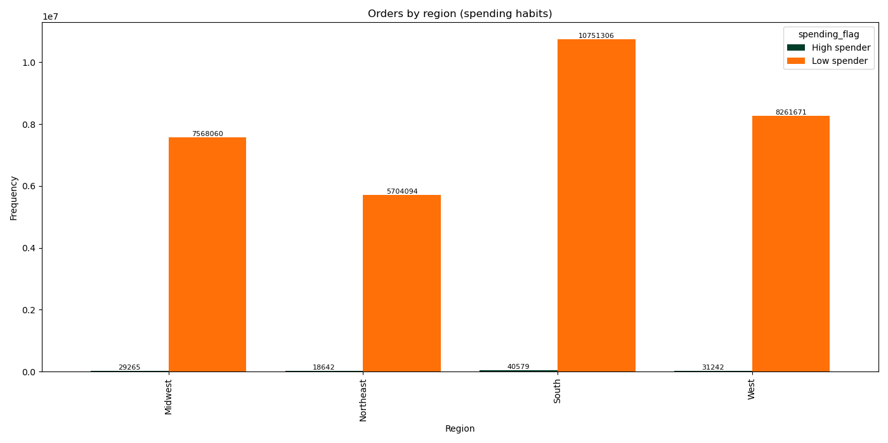
Most orders come from young adults, then senior adults and at last, middle age adults, but the differences between each age group are minimal. Young and senior adults seem to order more from the most popular products, but once again the differences in spending are not huge and there isn't any special call-out regarding any department. Most customers are married with dependants, this is the biggest group by far, followed by single without dependants, divorced/widowed without dependants and living with family with dependants. Regarding types of goods, we have most orders from the same popular departments and there isn't any special insight here. Lastly, most of the clients have average income, followed by low and high. Most come from the South, then West, Midwest and Northeast, as expected and they all buy the same type of products as other groups.
 |  |  | Title page

Visualisations

In this tab you should include all the visualtions from Exercises 4.9 and 4.10, alongside the questions from the project brief that they answer. Include any commentary on the relationship between different variables.

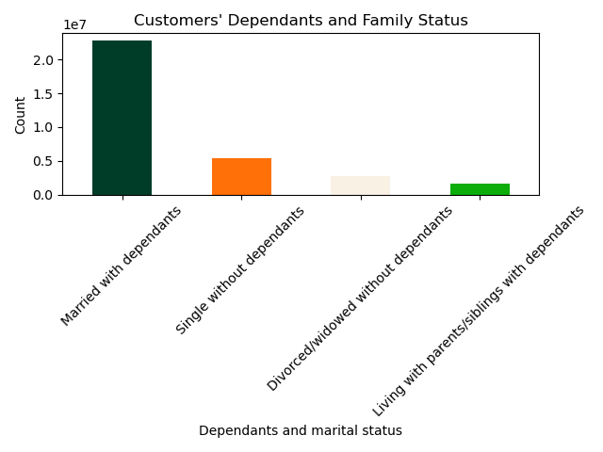

The sales team needs to know what the busiest days of the week and hours of the day are (i.e., the days and times with the most orders) in order to schedule ads at times when there are fewer orders. | They also want to know whether there are particular times of the day when people spend the most money, as this might inform the type of products they advertise at these times. | The marketing and sales teams are particularly interested in the different types of customers in their system and how their ordering behaviors differ. For example: ○ What’s the distribution among users in regards to their brand loyalty (i.e., how often do they return to Instacart)? |  | ○ Is there a connection between age and family status in terms of ordering habits?
 |  |  |  | ○ What different classifications does the demographic information suggest? Age? Income? Certain types of goods? Family status?
 |  |  |  | ○ What differences can you find in ordering habits of different customer profiles? Consider the price of orders, the frequency of orders, the products customers are ordering, and anything else you can think of.

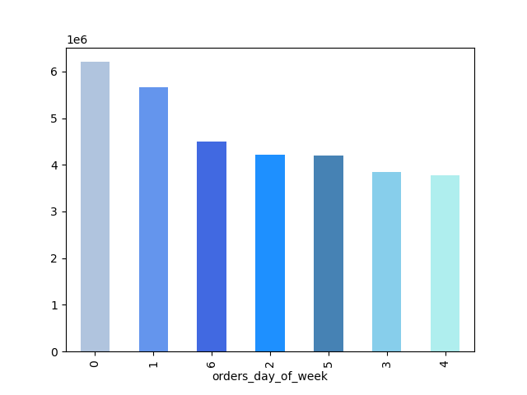

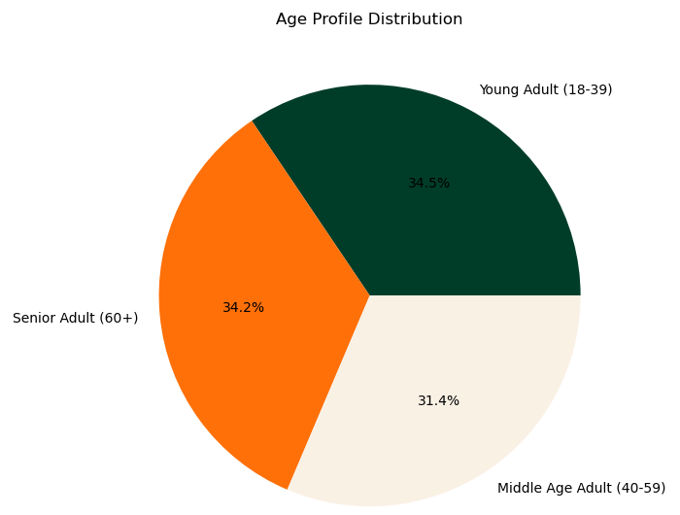
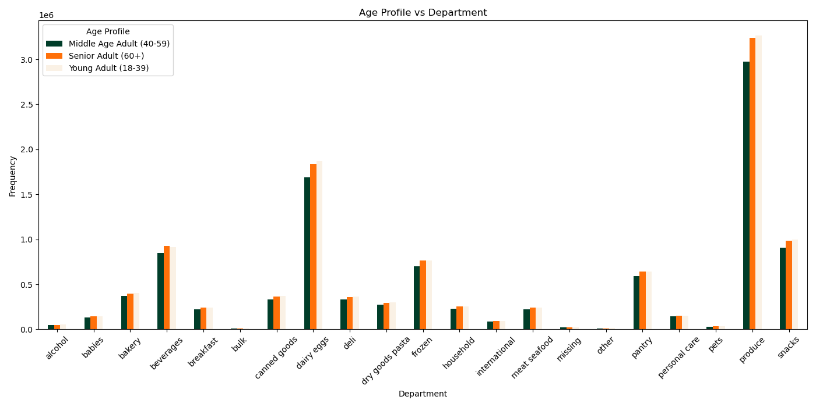
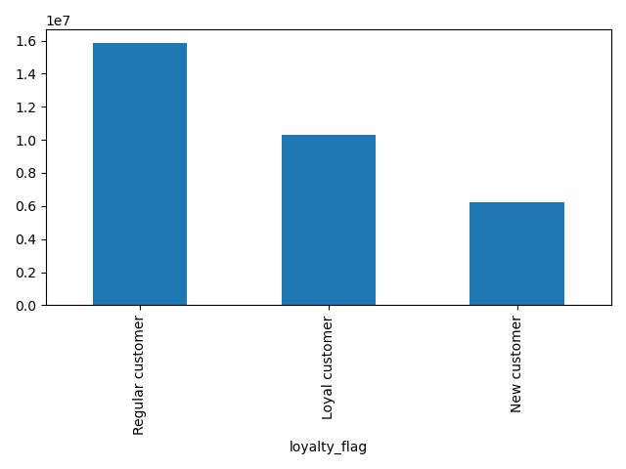

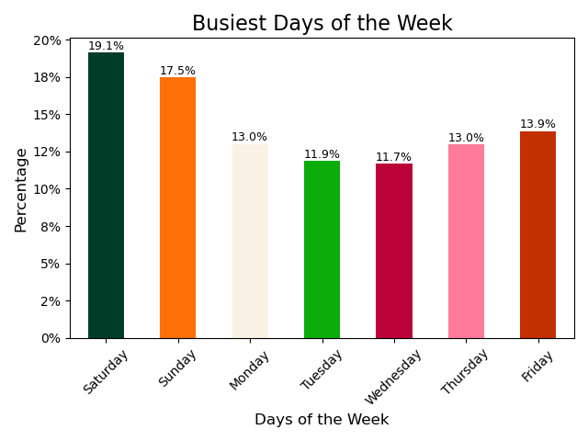
Customers spend most money during the morning before 10 am, this hour being the lowest point in prices. The peak seems to be around 2am. As a note, this chart only represents a small sample though.
Most customers are regular or loyal to Instacart, so this means that once they start ordering from Instacart, they will reorder.
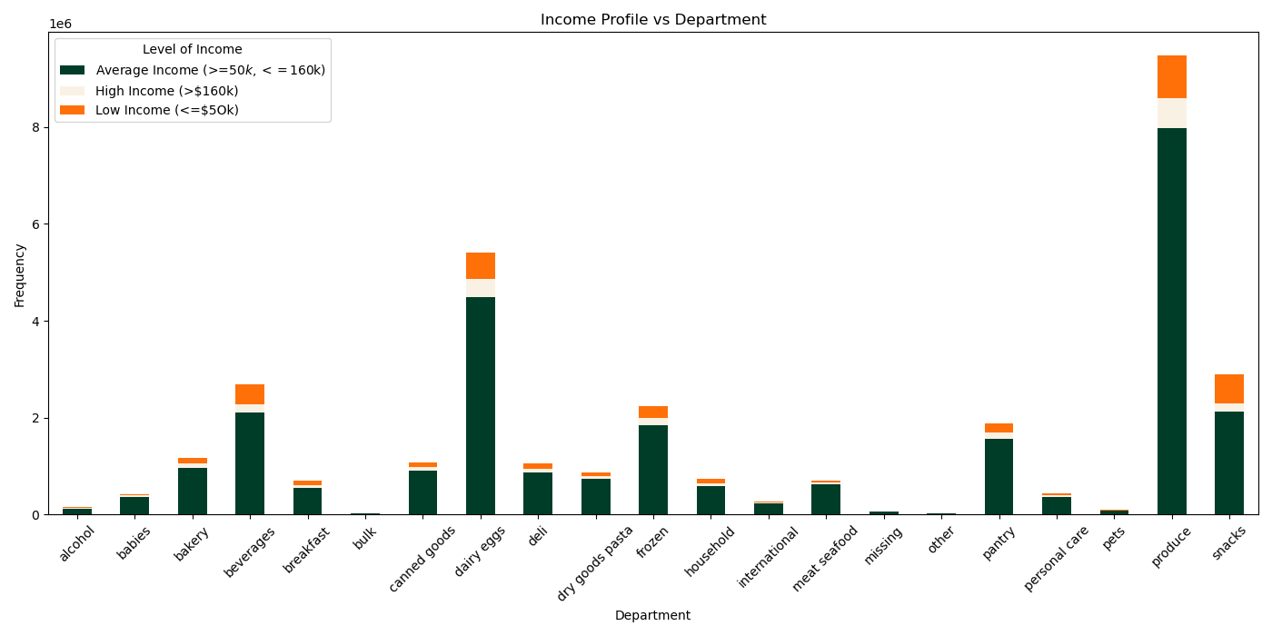
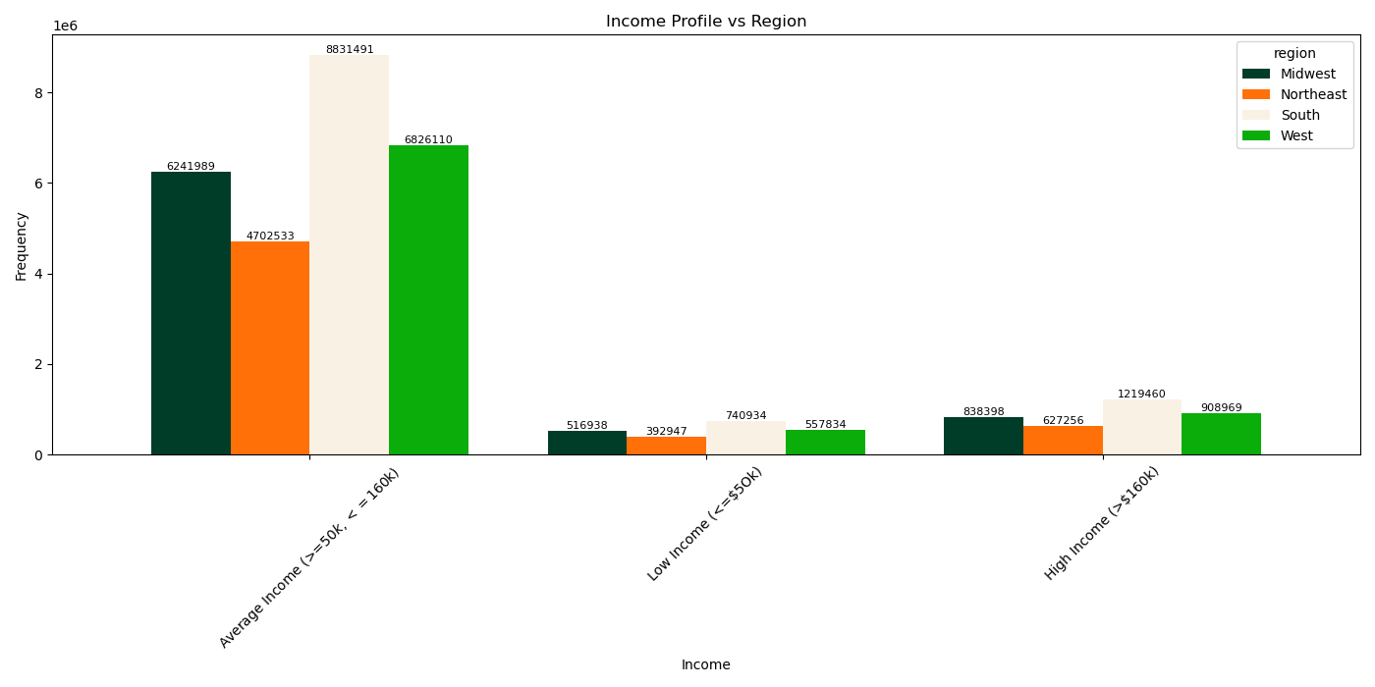
 | Customers spend most money during the morning before 10 am, this hour being the lowest point in prices. The peak seems to be around 2am. As a note, this chart only represents a small sample though. | Most customers are regular or loyal to Instacart, so this means that once they start ordering from Instacart, they will reorder.
 | Are there certain types of products that are more popular than others? The marketing and sales teams want to know which departments have the highest frequency of product orders. | ○ Are there differences in ordering habits based on a customer’s loyalty status?
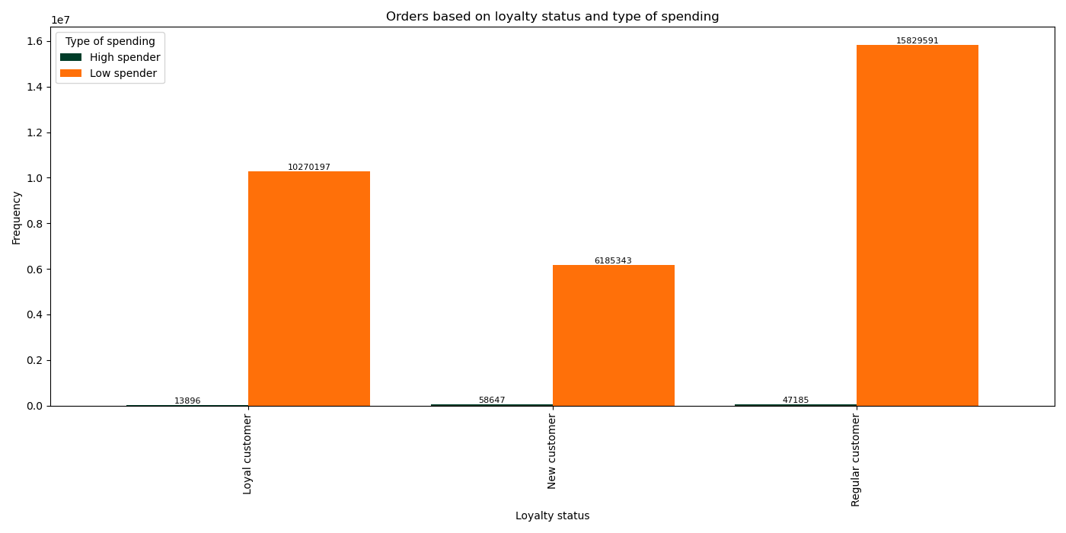
These bar charts tell us the busiest days of the week. According to the project brief, 0 is Saturday, so we can conclude that the 3 busiest days of the week are Saturday, Sunday and Fridays, by this order.
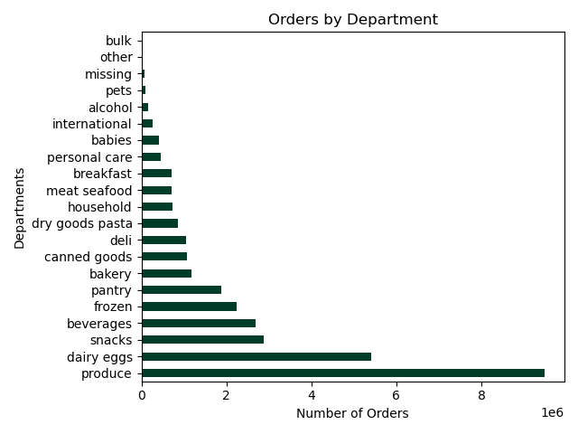
These bar charts tell us the busiest days of the week. According to the project brief, 0 is Saturday, so we can conclude that the 3 busiest days of the week are Saturday, Sunday and Fridays, by this order.


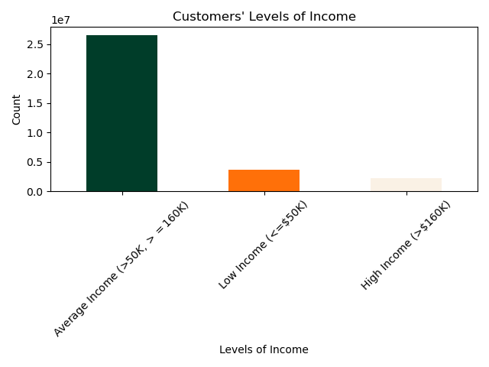
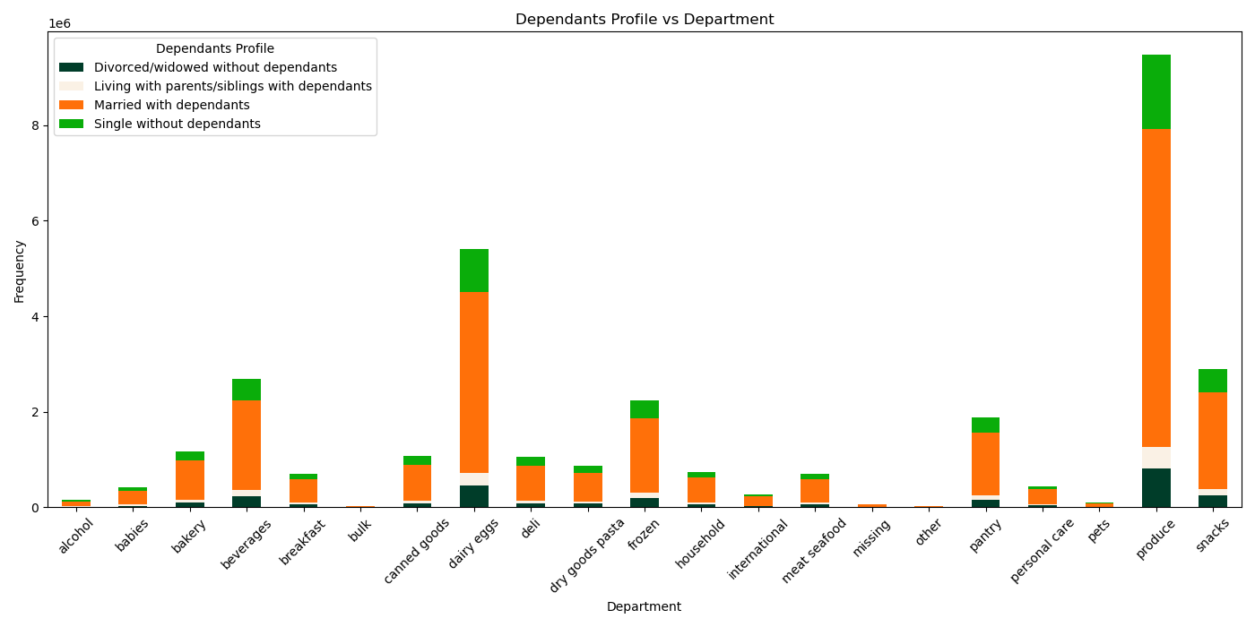

Even though there are differences in terms of numbers of each loyalty category (e.g. there are more more regular customers than loyal and new customers", in terms of spending, all loyalty status clients are low spenders. There are not many high spenders in any loyalty status bracket.
The most popular products are produce, dairy eggs and snacks.
 |  | Even though there are differences in terms of numbers of each loyalty category (e.g. there are more more regular customers than loyal and new customers", in terms of spending, all loyalty status clients are low spenders. There are not many high spenders in any loyalty status bracket.
 | The most popular products are produce, dairy eggs and snacks.

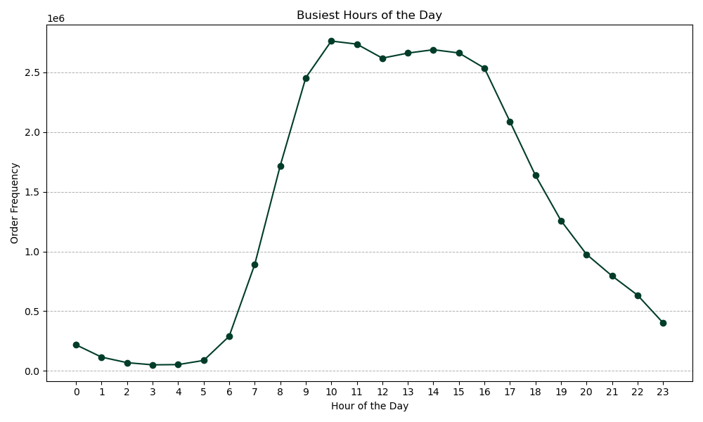
 | ○ Are there differences in ordering habits based on a customer’s region?

The South is the region with most orders, followed by the West, Midwest and Northeast. However, the reason for these results can be due to the number of population in each region. All the regions seem to have the same popular products (produce, eggs, snacks. In all regions, most customers are low spenders and have the most orders in the same days (Saturday, Sunday, Friday).
 | The South is the region with most orders, followed by the West, Midwest and Northeast. However, the reason for these results can be due to the number of population in each region. All the regions seem to have the same popular products (produce, eggs, snacks. In all regions, most customers are low spenders and have the most orders in the same days (Saturday, Sunday, Friday).
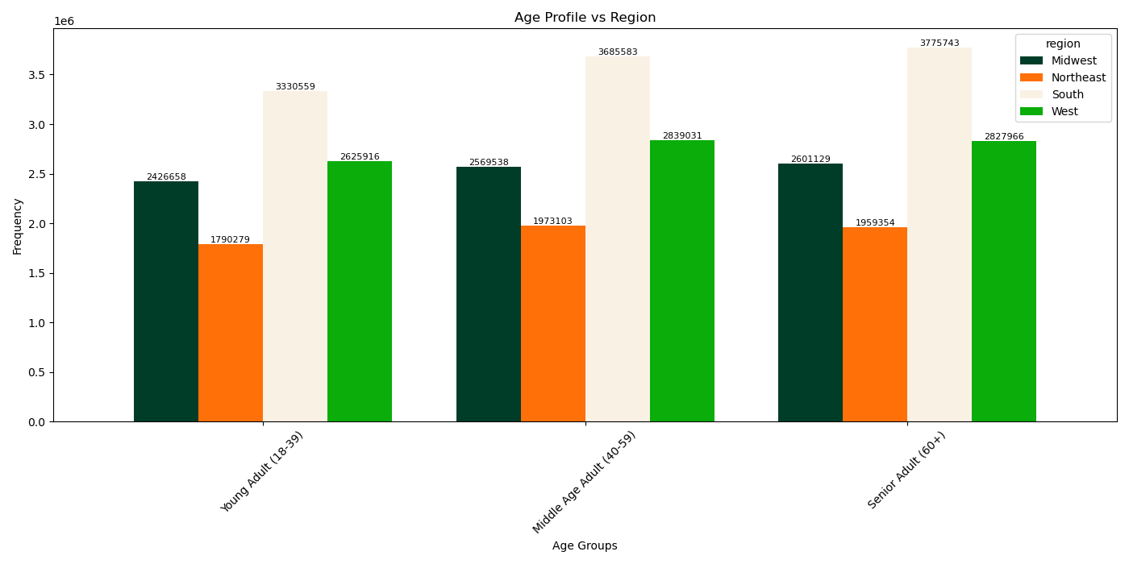
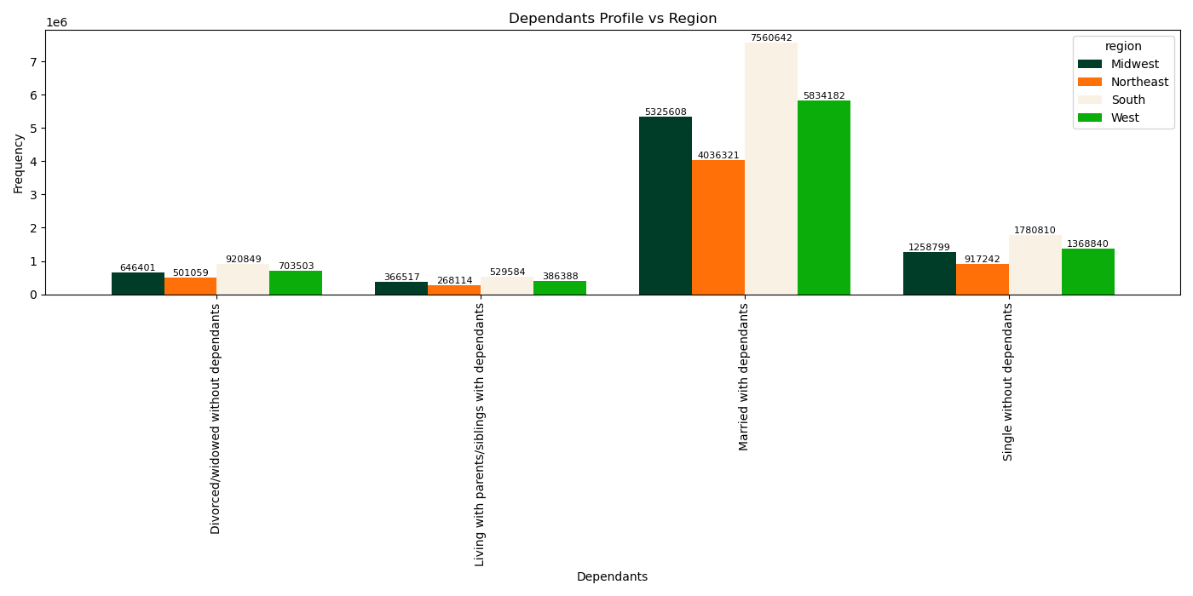
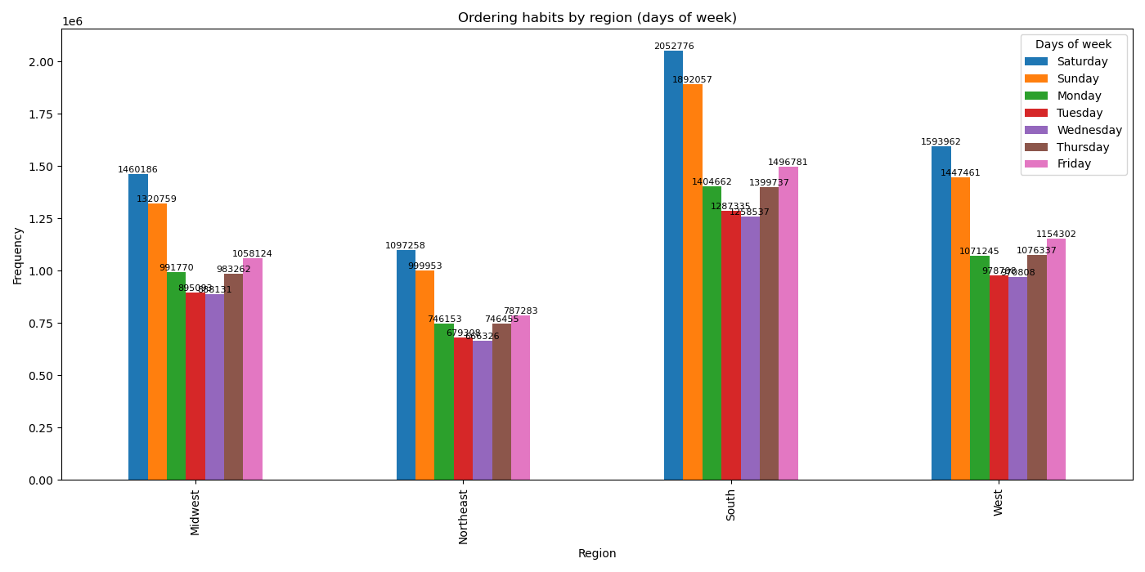

These graphs tell us the busiest hours of the day which seem to be between 9 and 10am. Overall, in the morning hours, starting at 5am, there is an increase in sales and they are high from 9am to 15pm. Then, sales start to decrease, with the lowest number of sales being between 3 and 4am.
These graphs tell us the busiest hours of the day which seem to be between 9 and 10am. Overall, in the morning hours, starting at 5am, there is an increase in sales and they are high from 9am to 15pm. Then, sales start to decrease, with the lowest number of sales being between 3 and 4am.

7. Recommendations
 |  | Title page

Recommendations

In this tab you should include any recommendations you would made to Instcart in terms of their marketing strategy based on the questions posed in the brief. Every key question has been covered in the Tasks of the Exercises - here you need to add an item - a visualisation or table/crosstable that is showing the answer in the data, acompanied by a comment from you. Please, list the questions below and add the answer underneath.

Question | Answer
The sales team needs to know what the busiest days of the week and hours of the day are (i.e., the days and times with the most orders) in order to schedule ads at times when there are fewer orders. | The 3 busiest days of the week are Saturday, Sunday and Fridays, by this order. The busiest hours of the day which seem to be between 9 and 10am. Overall, in the morning hours, starting at 5am, there is an increase in sales and they are high from 9am to 15pm. Then, sales start to decrease, with the lowest number of sales being between 3 and 4am. Therefore, ads should be schedules between 3 and 4am on Tuesdays and Wednesdays.

They also want to know whether there are particular times of the day when people spend the most money, as this might inform the type of products they advertise at these times. | Customers spend most money during the morning before 10 am, this hour being the lowest point in prices. The peak seems to be around 2am.

Instacart has a lot of products with different price tags. Marketing and sales want to use simpler price range groupings to help direct their efforts. | I created a price flag dividing the products, between "Low-range product" ($5 or less), "Mid-range product" (more than $5 and equal or lower than $15) and "High-range product" (more than $15).

Are there certain types of products that are more popular than others? The marketing and sales teams want to know which departments have the highest frequency of product orders. | Yes, the most popular products are produce, dairy eggs and snacks, in this order.

The marketing and sales teams are particularly interested in the different types of customers in their system and how their ordering behaviors differ. For example: ○ What’s the distribution among users in regards to their brand loyalty (i.e., how often do they return to Instacart)? ○ Are there differences in ordering habits based on a customer’s loyalty status? ○ Are there differences in ordering habits based on a customer’s region? ○ Is there a connection between age and family status in terms of ordering habits? ○ What different classifications does the demographic information suggest? Age? Income? Certain types of goods? Family status? ○ What differences can you find in ordering habits of different customer profiles? Consider the price of orders, the frequency of orders, the products customers are ordering, and anything else you can think of. | Most customers are regular or loyal to Instacart, so this means that once they start ordering from Instacart, they will reorder. Even though there are differences in terms of numbers of each loyalty category (e.g. there are more more regular customers than loyal and new customers", in terms of spending, all loyalty status clients are low spenders. There are not many high spenders in any loyalty status bracket.
 | The South is the region with most orders, followed by the West, Midwest and Northeast. However, the reason for these results can be due to the number of population in each region. All the regions seem to have the same popular products (produce, eggs, snacks. In all regions, most customers are low spenders and have the most orders in the same days (Saturday, Sunday, Friday).
 | Most orders come from young adults, then senior adults and at last, middle age adults, but the differences between each age group are minimal. Young and senior adults seem to order more from the most popular products, but once again the differences in spending are not huge and there isn't any special call-out regarding any department. Most customers are married with dependants, this is the biggest group by far, followed by single without dependants, divorced/widowed without dependants and living with family with dependants. Regarding types of goods, we have most orders from the same popular departments and there isn't any special insight here. Lastly, most of the clients have average income, followed by low and high. Most come from the South, then West, Midwest and Northeast, as expected and they all buy the same type of products as other groups.

